GENERAL REQUIREMENTS
ID | Description | Type | Status | Implementation Baseline | Author
1 | GENERAL REQUIREMENTS AND SYSTEM ARCHITECTURE: | Heading | N/A | N/A
1.1 | System Architecture Diagram: | Heading | N/A | N/A
1.1.1 | 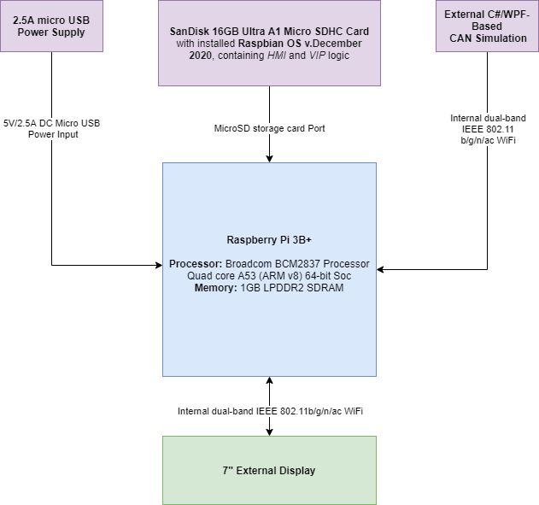 | Diagram | N/A | N/A | Nikolov, Nikola

1.2 | General System Requirements: | Heading | N/A | N/A
1.2.1 | The system (Instrumental Cluster - IC) shall be realized on a Raspberry Pi 3B+. To simulate CAN signal inputs, the IC shall receive information from a Windows Simulator - CAN Simulation. | System Requirement | Finished Requirement | Baseline v.0.3 | Nikolov, Nikola
1.2.2 | The system shall use the 7-inch LCD Raspberry Pi Monitor to display the content. | Information | N/A | Baseline v.0.3 | Nikolov, Nikola
1.2.3 | The system shall be realized using javaScript and Python to control the front-end (Human Machine Interface - HMI), while the back-end (Vehicle Internal Processing - VIP)component simulation shall be realized using C#, WPF and Python. | Information | N/A | Baseline v.0.3 | Nikolov, Nikola
1.2.4 | The system shall run at a smooth framerate of atleast 24fps. | System Requirement | Finished Requirement | Baseline v.0.1 | Nikolov, Nikola

HMI REQUIREMENTS
ID | Description | Type | Status | Implementation Baseline | Author
3 | FRONT-END (HMI) REQUIREMENTS: | Heading | N/A | N/A
3.1 | General HMI Requirements: | Heading | N/A | N/A
3.1.1 | The system shall receive data from VIP component using a websocket connected to "localhost:8080" in a time interval of 0.05 s | System Requirement | Implemented | Baseline v.0.3 | Nikolov, Nikola
3.1.2 | The system shall split the message VIP_VALUES into sub-messages, using the "|" divider, which are going to be used to determine the value of each individual component (e.g. SPEEDOMETER_VALUE determines the value of the current speed level, FUEL_LEVEL determined the value of the current fuel level, etc.) | System Requirement | Implemented | Baseline v.0.3 | Nikolov, Nikola
3.1.3 | The system shall display all information using a html canvas component and control any logic using javascript | Information | N/A | Baseline v.0.1 | Nikolov, Nikola
3.2 | Style HMI Requirements: | Heading | N/A | N/A
3.2.1 | The HMI shall use the data from the VIP message STYLE_VALUE to determine the style that will be displayed as following: STYLE_VALUE == 1 - CLASSIC Style STYLE_VALUE == 2 - PROGRESSIVE Style STYLE_VALUE == Any other Numeric or Non-Numeric value - CLASSIC Style | System Requirement | Implemented | Baseline v.0.2 | Nikolov, Nikola
3.3 | Component-specific HMI Requirements: | Heading | N/A | N/A
3.3.1 | Speedometer Requirements: | Heading | N/A | N/A
3.3.1.1 | The HMI shall display the data from the VIP message SPEEDOMETER_VALUE in the LEFT Gauge with an analog pointer and digital value | System Requirement | Implemented | Baseline v.0.1 | Nikolov, Nikola
3.3.1.2 | The validity of the value received from SPEEDOMETER_VALUE is the following: SPEED_VALID == 1 - VALID SPEED_VALID == 0 - INVALID The HMI shall perform the following internal checks as well, in case of communication error: SPEEDOMETER_VALUE >= 0 && SPEEDOMETER_VALUE <= 260 - VALID SPEEDOMETER_VALUE < 0 - INVALID SPEEDOMETER_VALUE > 260 - INVALID SPEEDOMETER_VALUE == Non-numeric value - INVALID | System Requirement | Implemented | Baseline v.0.3 | Nikolov, Nikola
3.3.1.3 | If the value received from SPEEDOMETER_VALUE is VALID the analog pointer shall use a Low-Pass filter on the value with a Smoothing Constant of 100 and a Time Constant of 7.5 ms | System Requirement | Implemented | Baseline v.0.1 | Nikolov, Nikola
3.3.1.4 | If the value received from SPEEDOMETER_VALUE is VALID the HMI shall update the digital value in a Time Interval of 500 ms | System Requirement | Implemented | Baseline v.0.1 | Nikolov, Nikola
3.3.1.5 | If the value received from SPEEDOMETER_VALUE is INVALID the HMI shall change the digital value to "--" | System Requirement | Implemented | Baseline v.0.1 | Nikolov, Nikola
3.3.1.6 | If the value received from SPEEDOMETER_VALUE is INVALID the HMI shall move the analog to pointer to starter value (0) | System Requirement | Implemented | Baseline v.0.1 | Nikolov, Nikola
3.3.1.7 | If the value received from SPEEDOMETER_VALUE is INVALID the HMI shall change the Left Gauge to the corresponding error image asset Displayed: reference image for Left Gauge Error in CLASSIC Style | System Requirement | Implemented | Baseline v.0.1 | Nikolov, Nikola
3.3.2 | Tachometer Requirements: | Heading | N/A | N/A
3.3.2.1 | The HMI shall display the data from the VIP message TACHOMETER_VALUE in the Right Gauge with an analog pointer | System Requirement | Implemented | Baseline v.0.1 | Nikolov, Nikola
3.3.2.2 | The validity of the value received from TACHOMETER_VALUE is the following: TACHO_VALID == 1 - VALID TACHO_VALID == 0 - INVALID The HMI shall perform the following internal checks as well, in case of communication error: TACHOMETER_VALUE >= 0 && TACHOMETER_VALUE <= 7500 - VALID TACHOMETER_VALUE < 0 - INVALID TACHOMETER_VALUE > 7500 - INVALID TACHOMETER_VALUE == Non-numeric value - INVALID | System Requirement | Implemented | Baseline v.0.3 | Nikolov, Nikola
3.3.2.3 | If the value received from TACHOMETER_VALUE is VALID the analog pointer shall use a Low-Pass filter on the value with a Smoothing Constant of 100 and a Time Constant of 7.5 ms | System Requirement | Implemented | Baseline v.0.1 | Nikolov, Nikola
3.3.2.4 | If the value received from TACHOMETER_VALUE is INVALID the HMI shall change the Right Gauge to the corresponding error image asset Displayed: reference image for Right Gauge Error in CLASSIC Style | System Requirement | Implemented | Baseline v.0.1 | Nikolov, Nikola
3.3.3 | Fuel Level Requirements: | Heading | N/A | N/A
3.3.3.1 | The HMI shall display the data from the VIP message FUEL_LEVEL using an analog filling bargraph | System Requirement | Implemented | Baseline v.0.1 | Nikolov, Nikola
3.3.3.2 | The validity of the value received from FUEL_LEVEL is the following: FUEL_LEVEL >= 0 && FUEL_LEVEL <= 100 - VALID FUEL_LEVEL < 0 - INVALID FUEL_LEVEL > 100 - INVALID FUEL_LEVEL == Non-numeric value - INVALID | System Requirement | Implemented | Baseline v.0.1 | Nikolov, Nikola
3.3.3.3 | If the value received from FUEL_LEVEL is VALID the analog filling bargraph shall use a Low-Pass filter on the value with a Smoothing Constant of 100 and a Time Constant of 7.5 ms | System Requirement | Implemented | Baseline v.0.1 | Nikolov, Nikola
3.3.3.4 | If the value received from FUEL_LEVEL is VALID and FUEL_LEVEL > 10 the HMI shall display the Normal Fuel Icon (yellow) Displayed: reference image for Fuel Icon in CLASSIC Style | System Requirement | Implemented | Baseline v.0.2 | Nikolov, Nikola
3.3.3.5 | If the value received from FUEL_LEVEL is VALID and FUEL_LEVEL <= 10 the HMI shall display the Warning Fuel Icon (red) Displayed: reference image for Warning Fuel Icon in CLASSIC Style | System Requirement | Implemented | Baseline v.0.2 | Nikolov, Nikola
3.3.3.6 | If the value received from FUEL_LEVEL is INVALID the HMI shall change the Fuel Level bargraph to the corresponding error image asset and display the Warning Fuel Icon Displayed: reference image for Error Fuel Level Bargraph and Warning Fuel Icon in CLASSIC Style | System Requirement | Implemented | Baseline v.0.1 | Nikolov, Nikola
3.3.4 | Odometer Requirements: | Heading | N/A | N/A
3.3.4.1 | The HMI shall display the data from the VIP message ODO_RUN_VALUE and ODO_TOTAL_VALUE using a digital value | System Requirement | Implemented | Baseline v.0.1 | Nikolov, Nikola
3.3.4.2 | The validity of the value received from ODO_RUN_VALUE is the following: ODO_RUN_VALUE >= 0 && ODO_RUN_VALUE <= 999999 - VALID ODO_RUN_VALUE < 0 - INVALID ODO_RUN_VALUE > 999999 - INVALID ODO_RUN_VALUE == Non-integer value - INVALID | System Requirement | Implemented | Baseline v.0.1 | Nikolov, Nikola
3.3.4.3 | The validity of the value received from ODO_TOTAL_VALUE is the following: ODO_TOTAL_VALUE >= 0 && ODO_TOTAL_VALUE <= 999999 - VALID ODO_TOTAL_VALUE < 0 - INVALID ODO_TOTAL_VALUE > 999999 - INVALID ODO_TOTAL_VALUE == Non-numeric value - INVALID | System Requirement | Implemented | Baseline v.0.1 | Nikolov, Nikola
3.3.4.4 | If the value received from ODO_RUN_VALUE is VALID the HMI shall update the digital value immediately | System Requirement | Implemented | Baseline v.0.1 | Nikolov, Nikola
3.3.4.5 | If the value received from ODO_TOTAL_VALUE is VALID the HMI shall update the digital value immediately | System Requirement | Implemented | Baseline v.0.1 | Nikolov, Nikola
3.3.4.6 | If the value received from ODO_RUN_VALUE is INVALID the HMI shall change the digital value to "--" Displayed: reference image for Run Odometer Error in CLASSIC Style | System Requirement | Implemented | Baseline v.0.1 | Nikolov, Nikola
3.3.4.7 | If the value received from ODO_TOTAL_VALUE is INVALID the HMI shall change the digital value to "----" Displayed: reference image for Total Odometer Error in CLASSIC Style | System Requirement | Implemented | Baseline v.0.1 | Nikolov, Nikola
3.3.5 | Gear Requirements: | Heading | N/A | N/A
3.3.5.1 | The HMI shall display the data from the VIP message GEAR_VALUE using a digital value | System Requirement | Implemented | Baseline v.0.1 | Nikolov, Nikola
3.3.5.2 | The validity of the value received from GEAR_VALUE is the following: GEAR_VALUE >= 0 && GEAR_VALUE <= 7 - VALID GEAR_VALUE == P - VALID GEAR_VALUE == R - VALID GEAR_VALUE == N - VALID GEAR_VALUE == D - VALID GEAR_VALUE == L - VALID GEAR_VALUE == S - VALID GEAR_VALUE < 0 - INVALID GEAR_VALUE > 7 - INVALID GEAR_VALUE == Any other Non-Numeric Value different from the mentioned above - INVALID | System Requirement | Implemented | Baseline v.0.1 | Nikolov, Nikola
3.3.5.3 | If the value received from GEAR_VALUE is VALID the HMI shall update the digital value immediately. | System Requirement | Implemented | Baseline v.0.1 | Nikolov, Nikola
3.3.5.4 | If the value received from GEAR_VALUE is VALID and is Numeric the HMI shall display the text "Manual" above the digital Gear value Displayed: reference image for Manual Gear 1 in CLASSIC Style | System Requirement | Implemented | Baseline v.0.1 | Nikolov, Nikola
3.3.5.5 | 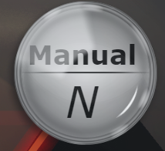 If the value received from GEAR_VALUE is VALID and is Numericthe HMI shall display the following, depending on the value: GEAR_VALUE == 0 - "N" GEAR_VALUE == 7 - "R" GEAR_VALUE > 0 && GEAR_VALUE < 7 - the value itself, no changes Displayed: reference image for Manual Gear 0 in CLASSIC Style | System Requirement | Implemented | Baseline v.0.1 | Nikolov, Nikola
3.2.5.6 | 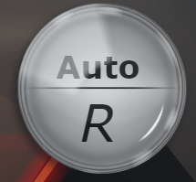 If the value received from GEAR_VALUE is VALID and is Non-Numeric the HMI shall display the text "Auto" above the digital Gear value Displayed: reference image for Auto Gear R in CLASSIC Style | System Requirement | Implemented | Baseline v.0.1 | Nikolov, Nikola
3.2.5.7 |  If the value received from GEAR_VALUE is INVALID the HMI shall change the digital value to "--" and change the text above the Gear value to "--" Displayed: reference image for Gear Error in CLASSIC Style | System Requirement | Implemented | Baseline v.0.1 | Nikolov, Nikola
3.3.6 | Inside Temperature Requirements: | Heading | N/A | N/A
3.3.6.1 | The HMI shall display the data from the VIP message INNER_TEMP_VALUE using a digital value | System Requirement | Implemented | Baseline v.0.1 | Nikolov, Nikola
3.3.6.2 | The validity of the value received from INNER_TEMP_VALUE is the following: INNER_TEMP_VALUE >= -40 && INNER_TEMP_VALUE <= 85 - VALID INNER_TEMP_VALUE < -40 - INVALID INNER_TEMP_VALUE > 85 - INVALID INNER_TEMP_VALUE ==Non-Numeric Value - INVALID | System Requirement | Implemented | Baseline v.0.1 | Nikolov, Nikola
3.3.6.3 | If the value received from INNER_TEMP_VALUE is VALID the HMI shall round up the value to the nearest multiple of 0.5 | System Requirement | Implemented | Baseline v.0.1 | Nikolov, Nikola
3.3.6.4 | If the value received from INNER_TEMP_VALUE is VALID the HMI shall update the digital value immediately. | System Requirement | Implemented | Baseline v.0.1 | Nikolov, Nikola
3.3.6.5 | If the value received from INNER_TEMP_VALUE is INVALID the HMI shall change the digital value to "--" and display the Inside Temperature Warning Icon (red) Displayed: reference image for Inside Temperature Error in CLASSIC Style | System Requirement | Implemented | Baseline v.0.1 | Nikolov, Nikola
3.3.7 | Outside Temperature Requirements: | Heading | N/A | N/A
3.3.7.1 | The HMI shall display the data from the VIP message OUTER_TEMP_VALUE using a digital value | System Requirement | Implemented | Baseline v.0.1 | Nikolov, Nikola
3.3.7.2 | The validity of the value received from OUTER_TEMP_VALUE is the following: OUTER_TEMP_VALUE >= -40 && OUTER_TEMP_VALUE <= 85 - VALID OUTER_TEMP_VALUE < -40 - INVALID OUTER_TEMP_VALUE > 85 - INVALID OUTER_TEMP_VALUE ==Non-Numeric Value - INVALID | System Requirement | Implemented | Baseline v.0.1 | Nikolov, Nikola
3.3.7.3 | If the value received from OUTER_TEMP_VALUE is VALID the HMI shall round up the value to the nearest multiple of 0.5 | System Requirement | Implemented | Baseline v.0.1 | Nikolov, Nikola
3.3.7.4 | If the value received from OUTER_TEMP_VALUE is VALID the HMI shall update the digital value immediately. | System Requirement | Implemented | Baseline v.0.1 | Nikolov, Nikola
3.3.7.5 | If the value received from OUTER_TEMP_VALUE is INVALID the HMI shall change the digital value to "--" and display the Outside Temperature Warning Icon (red) Displayed: reference image for Outside Temperature Error in CLASSIC Style | System Requirement | Implemented | Baseline v.0.1 | Nikolov, Nikola
3.3.8 | Engine Coolant Temperature Requirements: | Heading | N/A | N/A
3.3.8.1 | The HMI shall display the data from the VIP message COOLING_TEMP_VALUE using an analog filling bargraph | System Requirement | Implemented | Baseline v.0.1 | Nikolov, Nikola
3.3.8.2 | The validity of the value received from COOLING_TEMP_VALUE is the following: COOLING_TEMP_VALUE >= 50 && COOLING_TEMP_VALUE <= 130 - VALID COOLING_TEMP_VALUE < 50 - INVALID COOLING_TEMP_VALUE > 130 - INVALID COOLING_TEMP_VALUE == Non-numeric value - INVALID | System Requirement | Implemented | Baseline v.0.1 | Nikolov, Nikola
3.3.8.3 | If the value received from COOLING_TEMP_VALUE is VALID the analog filling bargraph shall use a Low-Pass filter on the value with a Smoothing Constant of 100 and a Time Constant of 7.5 ms | System Requirement | Implemented | Baseline v.0.1 | Nikolov, Nikola
3.3.8.4 | If the value received from COOLING_TEMP_VALUE is VALID and COOLING_TEMP_VALUE <= 120 the HMI shall display the normal Engine Coolant Temperature Icon (yellow) Displayed: reference image for Engine Coolant Temperature Icon in CLASSIC Style | System Requirement | Implemented | Baseline v.0.2 | Nikolov, Nikola
3.3.8.5 | If the value received from COOLING_TEMP_VALUE is VALID and COOLING_TEMP_VALUE > 120 the HMI shall display the Warning Engine Coolant Temperature Icon (red) Displayed: reference image for Warning Engine Coolant Temperature Icon in CLASSIC Style | System Requirement | Implemented | Baseline v.0.2 | Nikolov, Nikola
3.3.8.6 | If the value received from COOLING_TEMP_VALUE is INVALID the HMI shall change the Engine Coolant Temperature bargraph to the corresponding error image asset and display the Warning Engine Coolant Temperature Icon Displayed: reference image for Error Engine Coolant Temperature Bargraph and Warning Engine Coolant Temperature Icon in CLASSIC Style | System Requirement | Implemented | Baseline v.0.1 | Nikolov, Nikola
3.3.9 | Digital Clock Requirements: | Heading | N/A | N/A
3.3.9.1 | The HMI shall display the current time using the time according to the operating system clock, installed on the device. | System Requirement | Implemented | Baseline v.0.2 | Nikolov, Nikola
3.3.9.2 | The HMI shall display the time in the following format: HH:MM , where HH - hours, MM - minutes | System Requirement | Implemented | Baseline v.0.2 | Nikolov, Nikola
3.3.9.3 | If the HMI can't retrieve the time from the operating system clock, the HMI will set the digital clock to "--:--" | System Requirement | Implemented | Baseline v.0.2 | Nikolov, Nikola
3.4 | Indicator-specific HMI Requirements: | Heading | N/A | N/A
3.4.1 | Blinkers Requirements: | Heading | N/A | N/A
3.4.1.1 | The HMI shall use the data from the VIP message LEFT_BLINKERS_VALUE to determine the status of the Left Blinker Indicator | System Requirement | Implemented | Baseline v.0.2 | Nikolov, Nikola
3.4.1.2 | The HMI shall use the data from the VIP message RIGHT_BLINKERS_VALUE to determine the status of the Right Blinker Indicator | System Requirement | Implemented | Baseline v.0.2 | Nikolov, Nikola
3.4.1.3 | If the value received from LEFT_BLINKERS_VALUE is 0 the HMI shall flash between the "Active" and "Inactive" states of the Left Blinker Indicator with a Time Interval of 1.25 s Displayed: reference image for "Active" state of Left Blinker Indicator (above) and "Inactive" state of Left Blinked Indicator (below) in CLASSIC Style | System Requirement | Implemented | Baseline v.0.2 | Nikolov, Nikola
3.4.1.4 | If the value received from LEFT_BLINKERS_VALUE is NOT 0 the HMI shall display the "Off" state of the Left Blinker Indicator | System Requirement | Implemented | Baseline v.0.2 | Nikolov, Nikola
3.4.1.5 | If the value received from RIGHT_BLINKERS_VALUE is 0 the HMI shall flash between the "Active" and "Inactive" states of the Right Blinker Indicator with a Time Interval of 1.25 s Displayed: reference image for "Active" state of Right Blinker Indicator (above) and "Inactive" state of Right Blinked Indicator (below) in CLASSIC Style | System Requirement | Implemented | Baseline v.0.2 | Nikolov, Nikola
3.4.1.6 | If the value received from RIGHT_BLINKERS_VALUE is NOT 0 the HMI shall display the "Off" state of the Right Blinker Indicator | System Requirement | Implemented | Baseline v.0.2 | Nikolov, Nikola
3.4.2 | Light Beam Requirements: | Heading | N/A | N/A
3.4.2.1 | The HMI shall use the data from the VIP message LIGHTS_VALUE to determine the status of the Light Beam Indicator | System Requirement | Implemented | Baseline v.0.2 | Nikolov, Nikola
3.4.2.2 | The validity of the value received from LIGHTS_VALUE is the following: as follows: LIGHTS_VALUE >= 0 && LIGHTS_VALUE <= 3 - VALID LIGHTS_VALUE < 0 - INVALID LIGHTS_VALUE > 3 - INVALID LIGHTS_VALUE == Non-Numeric value - INVALID | System Requirement | Implemented | Baseline v.0.2 | Nikolov, Nikola
3.4.2.3 | If the value received from LIGHTS_VALUE is VALID the HMI shall display the Light Beam Indicator in one of the following states: LIGHTS_VALUE == 0 - Light Beam Indicator is in "Inactive" state LIGHTS_VALUE == 1 - Light Beam Indicator is in "High Beams Indicator" state LIGHTS_VALUE == 2 - Light Beam Indicator is in "Low Beams Indicator" state LIGHTS_VALUE == 3 - Light Beam Indicator is in "Side Beams Indicator" state Note: for reference to all Light Beam Indicator states, please refer to photoshop Design files for the corresponding styles | System Requirement | Implemented | Baseline v.0.2 | Nikolov, Nikola
3.4.2.4 | If the value received from LIGHTS_VALUE is INVALID the HMI shall display the Light Beam Indicator in the "Error Indicator" state Note: for reference to all Light Beam Indicator states, please refer to photoshop Design files for the corresponding styles | System Requirement | Implemented | Baseline v.0.2 | Nikolov, Nikola
3.4.3 | Open Door Requirements: | Heading | N/A | N/A
3.4.3.1 | The HMI shall use the data from the VIP message DOORS_VALUE to determine the status of the Open Door Indicator | System Requirement | Implemented | Baseline v.0.2 | Nikolov, Nikola
3.4.3.2 | The validity of the value received from DOORS_VALUE is the following: DOORS_VALUE >= 1 && DOORS_VALUE <= 11 - VALID DOORS_VALUE < 1 - INVALID DOORS_VALUE > 11 - INVALID DOORS_VALUE == Non-numeric value - INVALID | System Requirement | Implemented | Baseline v.0.2 | Nikolov, Nikola
3.4.3.3 | If the value received from DOORS_VALUE is VALID the HMI shall display the Open Door Indicator in one of the following states: DOORS_VALUE == 1 - Open Door Indicator is in state "LF" DOORS_VALUE == 2 - Open Door Indicator is in state "LF + LR" DOORS_VALUE == 3 - Open Door Indicator is in state "LF + LR + RF" DOORS_VALUE == 4 - Open Door Indicator is in state "LR + RF + RR" DOORS_VALUE == 5 - Open Door Indicator is in state "LR + RR" DOORS_VALUE == 6 - Open Door Indicator is in state "LR + RF" DOORS_VALUE == 7 - Open Door Indicator is in state "LR" DOORS_VALUE == 8 - Open Door Indicator is in state "RF + RR" DOORS_VALUE == 9 - Open Door Indicator is in state "RF" DOORS_VALUE == 10 - Open Door Indicator is in state "RR" DOORS_VALUE == 11 - Open Door Indicator is in state "LF + LR + RF + RR" Legend: LF - Left Front Door Open; RF - Right Front Door Open; LR - Left Rear Door Open; RR - Right Rear Door Open; Note: for reference to all Open Door Indicator states, please refer to photoshop Design files for the corresponding styles | System Requirement | Implemented | Baseline v.0.2 | Nikolov, Nikola
3.4.3.4 | If the value received from DOORS_VALUE is INVALID the HMI shall display the Open Door Indicator in the "Inactive" state Note: for reference to all Open Door Indicator states, please refer to photoshop Design files for the corresponding styles | System Requirement | Implemented | Baseline v.0.2 | Nikolov, Nikola
3.4.4 | Airbag Warning Requirements: | Heading | N/A | N/A
3.4.4.1 | The HMI shall use the data from the VIP message AIRBAG_VALUE to determine the status of the Airbag Indicator | System Requirement | Implemented | Baseline v.0.2 | Nikolov, Nikola
3.4.4.2 | If the value received from AIRBAG_VALUE is 0 the HMI shall display the "Active" state of the Airbag Indicator Displayed: reference image for "Active" state of Airbag Indicator in CLASSIC Style | System Requirement | Implemented | Baseline v.0.2 | Nikolov, Nikola
3.4.4.3 | If the value received from AIRBAG_VALUE is NOT 0 the HMI shall display the "Off" state of the Airbag Indicator | System Requirement | Implemented | Baseline v.0.2 | Nikolov, Nikola
3.4.5 | Handbrake Warning Requirements: | Heading | N/A | N/A
3.4.5.1 | The HMI shall use the data from the VIP message HANDBRAKE_ERROR_VALUE to determine the status of the Handrake Warning Indicator | System Requirement | Implemented | Baseline v.0.2 | Nikolov, Nikola
3.4.5.2 | If the value received from HANDBRAKE_ERROR_VALUE is 0 the HMI shall display the "Active" state of the Handbrake Warning Indicator Displayed: reference image for "Active" state of Handbreak Warning Indicator in CLASSIC Style | System Requirement | Implemented | Baseline v.0.2 | Nikolov, Nikola
3.4.5.3 | If the value received from HANDBRAKE_ERROR_VALUE is NOT 0 the HMI shall display the "Off" state of the Handbrake Warning Indicator | System Requirement | Implemented | Baseline v.0.2 | Nikolov, Nikola
3.4.6 | Oil Pressure Warning Requirements: | Heading | N/A | N/A
3.4.6.1 | The HMI shall use the data from the VIP message ENGINE_OIL_ERROR_VALUE to determine the status of the Oil Pressure Warning Indicator | System Requirement | Implemented | Baseline v.0.2 | Nikolov, Nikola
3.4.6.2 | If the value received from ENGINE_OIL_ERROR_VALUE is 0 the HMI shall display the "Active" state of the Oil Pressure Warning Indicator Displayed: reference image for "Active" state of Oil Pressure Warning Indicator in CLASSIC Style | System Requirement | Implemented | Baseline v.0.2 | Nikolov, Nikola
3.4.6.3 | If the value received from ENGINE_OIL_ERROR_VALUE is NOT 0 the HMI shall display the "Off" state of the Oil Pressure Warning Indicator | System Requirement | Implemented | Baseline v.0.2 | Nikolov, Nikola
3.4.7 | Battery Charge Warning Requirements: | Heading | N/A | N/A
3.4.7.1 | The HMI shall use the data from the VIP message BATTERY_CHARGE_ERROR_VALUE to determine the status of the Battery Charge Warning Indicator | System Requirement | Implemented | Baseline v.0.2 | Nikolov, Nikola
3.4.7.2 | If the value received from BATTERY_CHARGE_ERROR_VALUE is 0 the HMI shall display the "Active" state of the Battery Charge Warning Indicator Displayed: reference image for "Active" state of Battery Charge Warning Indicator in CLASSIC Style | System Requirement | Implemented | Baseline v.0.2 | Nikolov, Nikola
3.4.7.3 | If the value received from BATTERY_CHARGE_ERROR_VALUE is NOT 0 the HMI shall display the "Off" state of the Battery Charge Warning Indicator | System Requirement | Implemented | Baseline v.0.2 | Nikolov, Nikola
3.4.7 | Hazard Lights Warning Requirements: | Heading | N/A | N/A
3.4.7.1 | The HMI shall use the data from the VIP message HAZARD_LIGHTS_ERROR_VALUE to determine the status of the Hazard Lights Warning Indicator | System Requirement | Implemented | Baseline v.0.2 | Nikolov, Nikola
3.4.7.2 | If the value received from HAZARD_LIGHTS_WARNING is 0 the HMI shall display the "Active" state of the Hazard Lights Warning Indicator Displayed: reference image for "Active" state of Hazard Lights Warning Indicator in CLASSIC Style | System Requirement | Implemented | Baseline v.0.2 | Nikolov, Nikola
3.4.7.3 | If the value received from HAZARD_LIGHTS_WARNING is NOT 0 the HMI shall display the "Off" state of the Hazard Lights Warning Indicator | System Requirement | Implemented | Baseline v.0.2 | Nikolov, Nikola

UML DIAGRAMS (VIP)
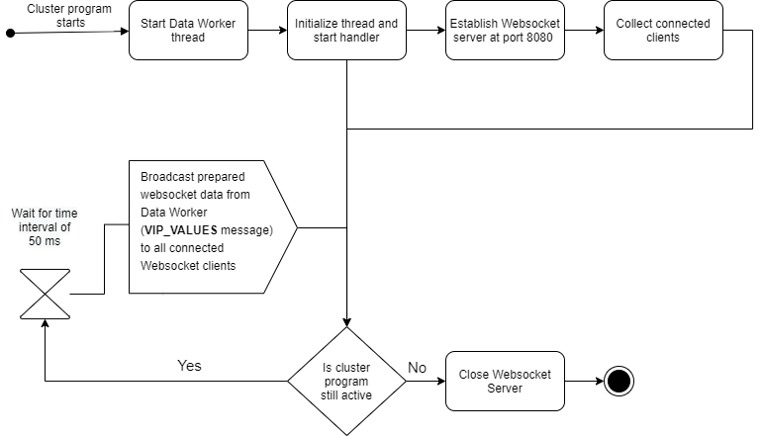
4 | BEHАVIOURAL ACTIVITY UML DIAGRAMS (VIP): | Type | Status | Implementation Baseline | Author
4.1 | Data Worker Thread: | Heading | N/A | N/A
 |  | Diagram | N/A | N/A | Nikolov, Nikola
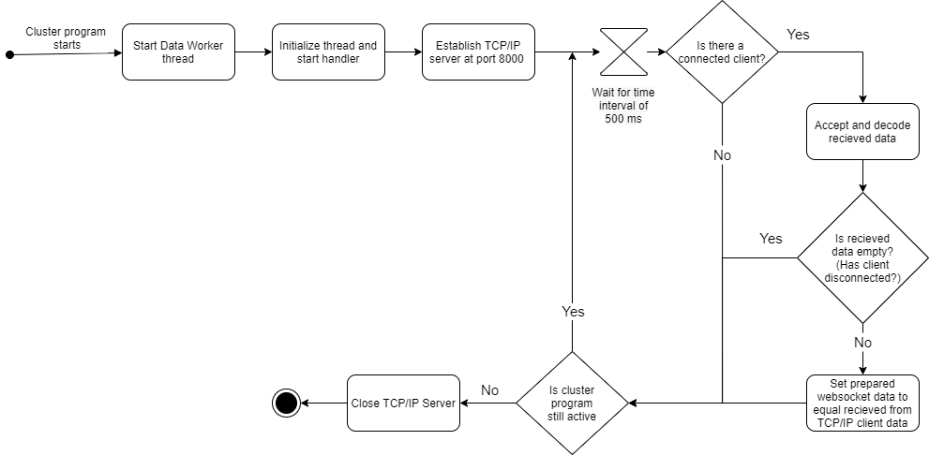

4.2 | Message Worker Thread: | Heading | N/A | N/A
 |  | Diagram | N/A | N/A | Nikolov, Nikola

UML DIAGRAMS (HMI)
5 | BEHАVIOURAL ACTIVITY UML DIAGRAMS (HMI): | Type | Status | Implementation Baseline | Author
5.1 | HMI-from-VIP Message Splitting: | Heading | N/A | N/A
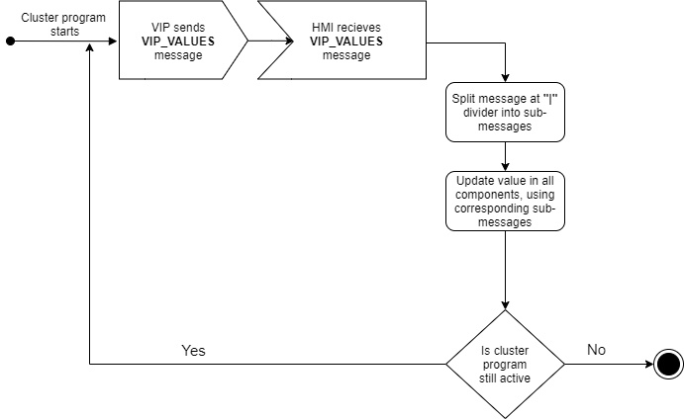 |  | Diagram | N/A | N/A | Nikolov, Nikola

5.2 | Style HMI: | Heading | N/A | N/A
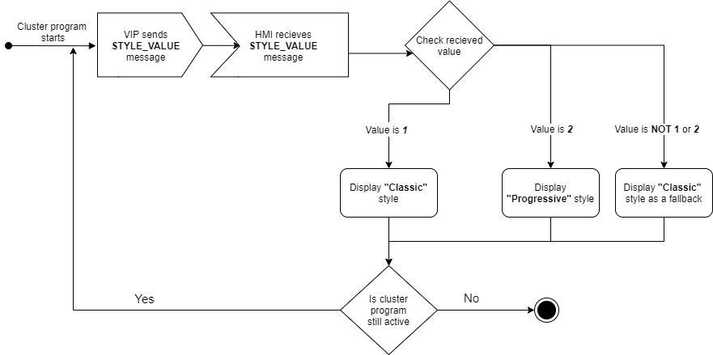 |  | Diagram | N/A | N/A | Nikolov, Nikola

5.3 | Speedometer: | Heading | N/A | N/A
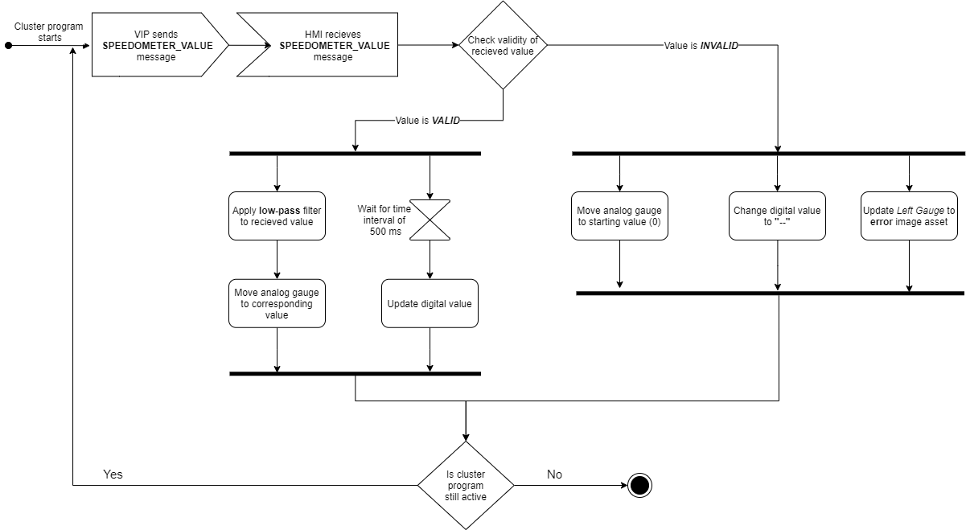 |  | Diagram | N/A | N/A | Nikolov, Nikola

5.4 | Tachometer: | Heading | N/A | N/A
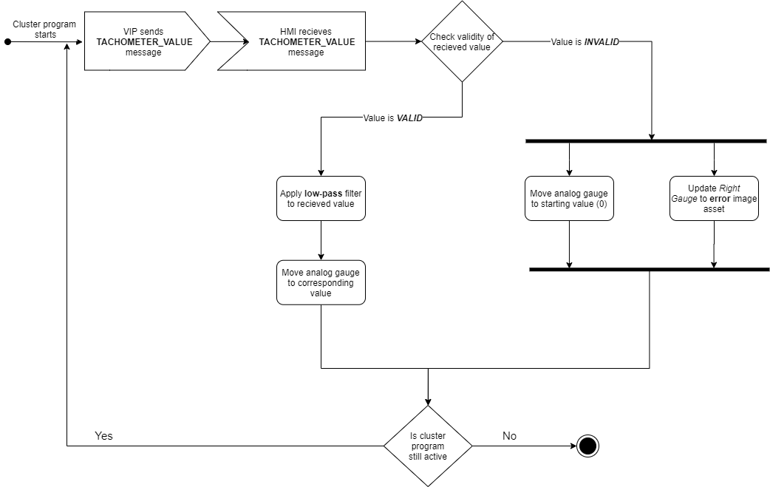 |  | Diagram | N/A | N/A | Nikolov, Nikola

5.5 | Fuel Level: | Heading | N/A | N/A
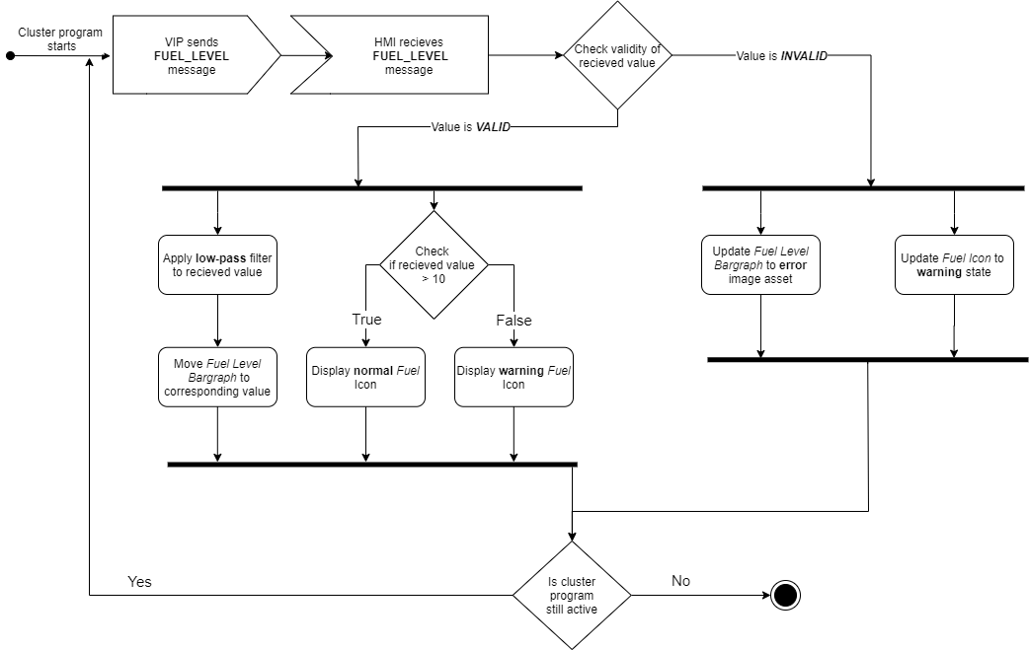 |  | Diagram | N/A | N/A | Nikolov, Nikola

5.6 | Odometer: | Heading | N/A | N/A
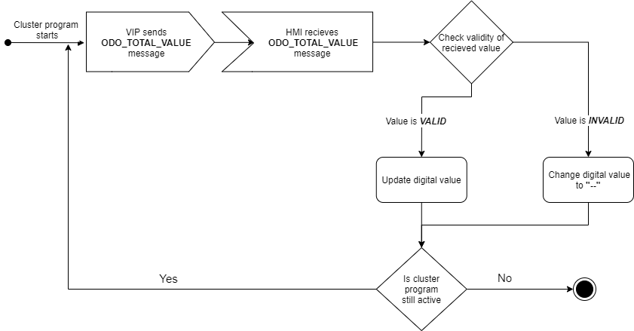  |  | Diagram | N/A | N/A | Nikolov, Nikola

5.7 | Gear: | Heading | N/A | N/A
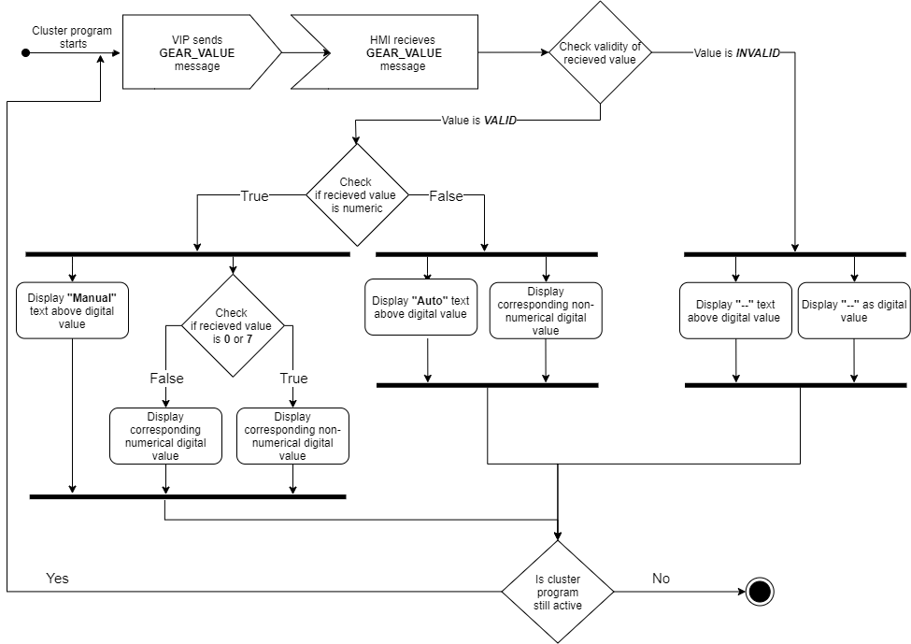 |  | Diagram | N/A | N/A | Nikolov, Nikola

5.8 | Inside Temperature: | Heading | N/A | N/A
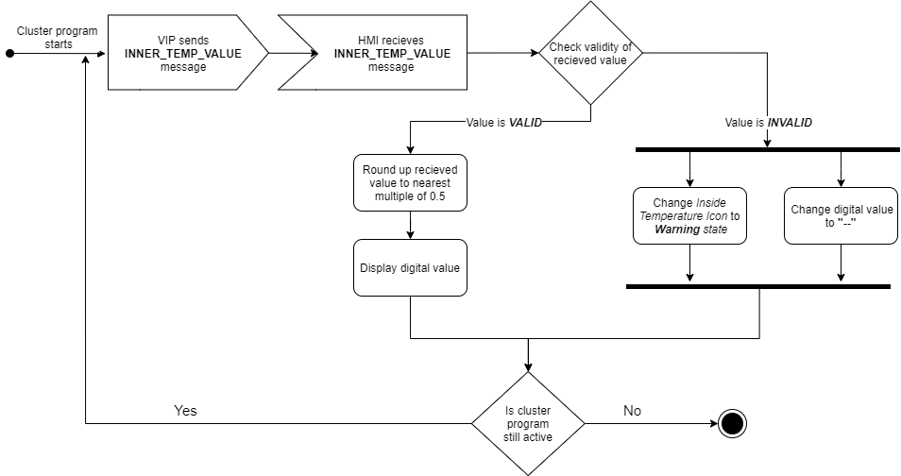 |  | Diagram | N/A | N/A | Nikolov, Nikola

5.9 | Outside Temperature: | Heading | N/A | N/A
 |  | Diagram | N/A | N/A | Nikolov, Nikola

5.10 | Engine Coolant Temperature: | Heading | N/A | N/A
 |  | Diagram | N/A | N/A | Nikolov, Nikola

5.11 | Digital Clock: | Heading | N/A | N/A
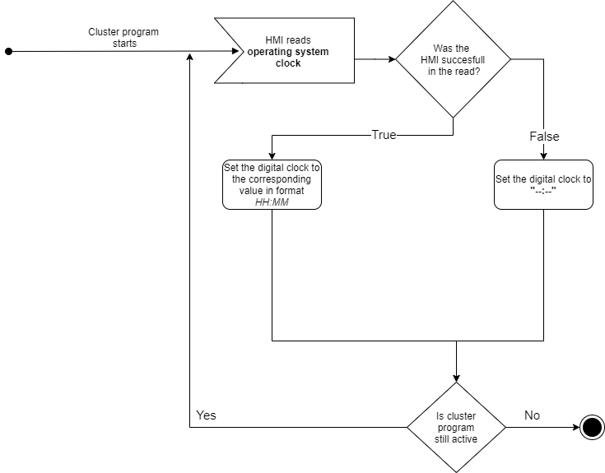 |  | Diagram | N/A | N/A | Nikolov, Nikola

5.12 | Blinkers: | Heading | N/A | N/A
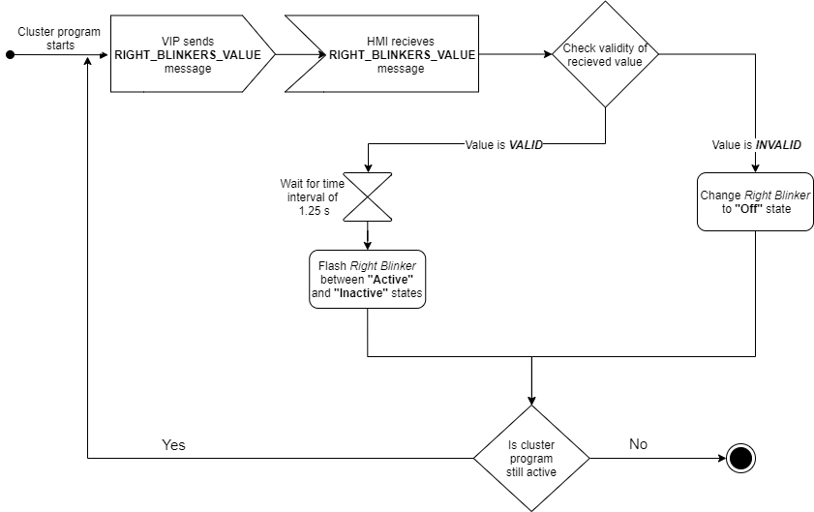  |  | Diagram | N/A | N/A | Nikolov, Nikola

5.13 | Light Beam Indicator: | Heading | N/A | N/A
 |  | Diagram | N/A | N/A | Nikolov, Nikola

5.14 | Open Door Indicator: | Heading | N/A | N/A
 |  | Diagram | N/A | N/A | Nikolov, Nikola

5.15 | Airbag Warning Indicator: | Heading | N/A | N/A
 |  | Diagram | N/A | N/A | Nikolov, Nikola

5.16 | Handbrake Warning Indicator: | Heading | N/A | N/A
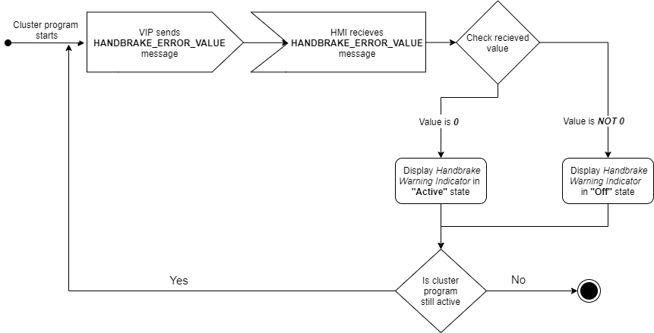 |  | Diagram | N/A | N/A | Nikolov, Nikola

5.17 | Oil Pressure Warning Indicator: | Heading | N/A | N/A
 |  | Diagram | N/A | N/A | Nikolov, Nikola

5.18 | Battery Charge Warning Indicator: | Heading | N/A | N/A
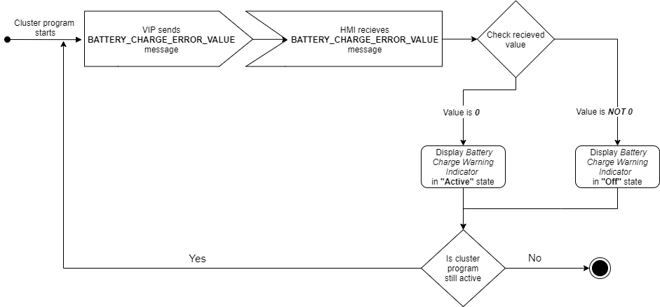 |  | Diagram | N/A | N/A | Nikolov, Nikola

5.19 | Hazard Lights Warning Indicator: | Heading | N/A | N/A
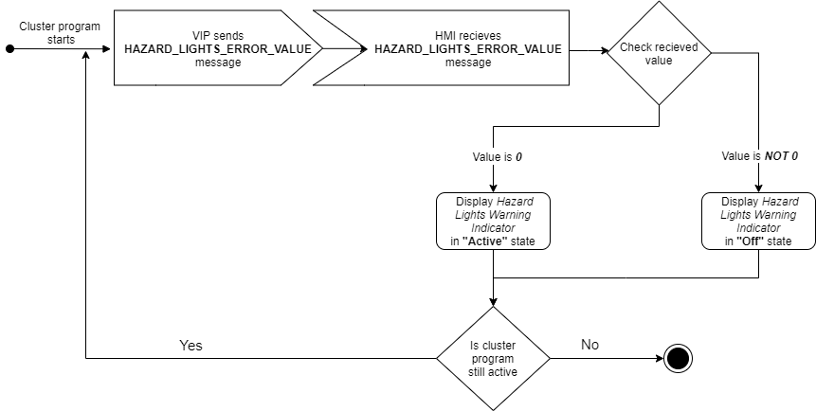 |  | Diagram | N/A | N/A | Nikolov, Nikola

